Sheet1
2.1.1 Lotto Bet Details Terminal -> Central

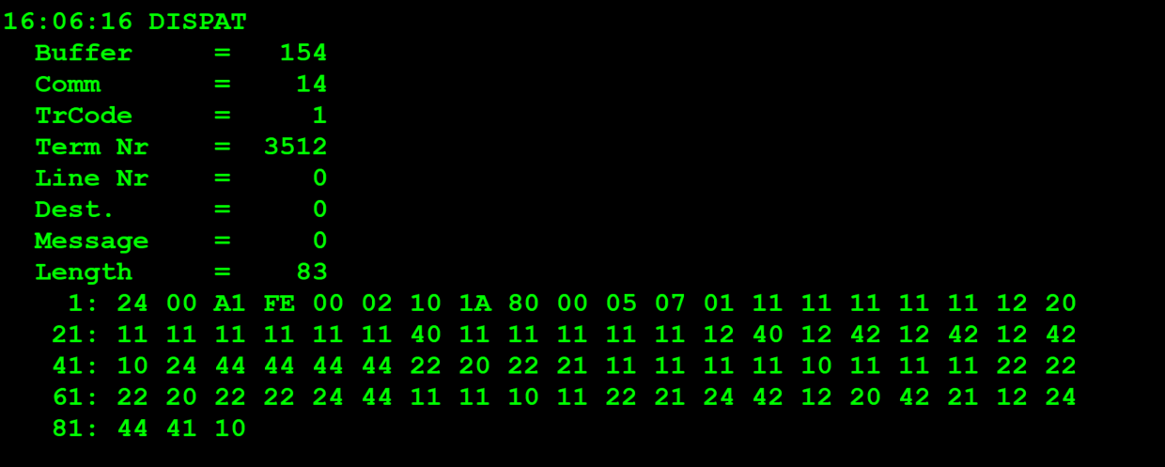
TestByte |  | Size | Field Contents |  | Hexadecimal | Binario | Decimal |  | TestByte |  | Size | Field Contents
Start | End |  |  |  |  |  |  |  | Start | End |  |  |  | Hexadecimal | Binario | Decimal
1 | 1 | 1 | Control | Sequence | 24 | Control=0010 Sequence=0011 | Control=2 Sequence=3 | Control -> x10 - Application Message Sequence -> 2 | 1 | n | n | Wager header
2 | 2 | 1 | Type = 0 | Subtype = 0 | 00 | Type=0 SubType=0 | Type=0 SubType=0 |  | n + 1=13 |  | 1 | Must be set to zero (0) | Super 14: Bet | 0 Super 14:1 |  | 0 Super 14:1
3 | 4 | 2 | Checksum |  | DD 51 | Game index=0100 System type/Passive Bet Type=0001 |  |  |  |  |  | 1X2 represented as 4 bits (a nibble). Each of the possible outcomes of a 1X2 is represented as 4 bits in the nibble where: Bit (3) = Away - Value 04 Bit (2) = Tie - Value 02 Bit (1) = Home -Value 01
5 | 5 | 1 | Statistics (see below) |  | 00 |  | 0 |  |  |  |  |  |  |  | 4 bits * 10 = 4 bytes
6 | 6 | 1 | Game Type |  | 02 | 10 | 2 | 2 = SPORTS |  |  |  |  |  |  |  | comessa 19
7 | 7 | 1 | Game index | System type/Passive Bet Type | 11 | Game index=0001 System type/Passive Bet Type=0001 | Game index=1 System type/Passive Bet Type=1 | 3 – Totobola Normal System type=1->Full system |  |  |  |  |  |  | (83-13)-4 = 70-4 = 66 MAX BOARD DATA LENGTH | 66/4=16,5 INTEGERS
8 | 8 | 1 | Duration | No of Boards | 11 | Duration=0001 No of Boards=0001 | Duration=1 No of Boards=1 | Nota: Duration é sempre 1 pois foi descontinuado* |  |  |  |  |  |  | 32*4=128 (max bytes) | 16*2=32 Integers
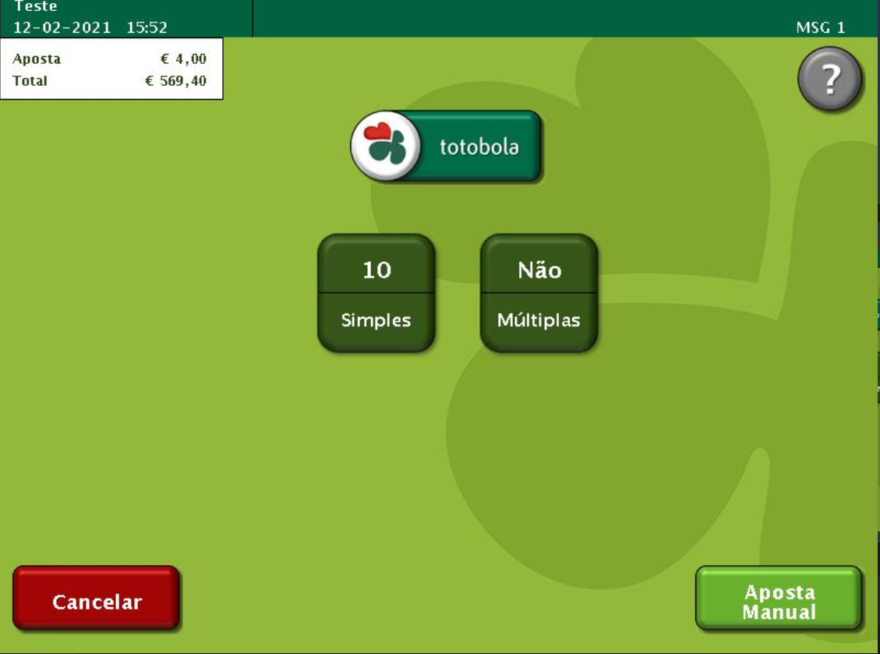
9 | 10 | 2 | Option Flags (see below) |  | 80 00 | ….......... | ….. | x8000=Game Control Revision present. (2 bytes) | REPEATED DATA BLOCK: Bytes n+2 to n+8 (7 bytes) are repeated as many times as No of Boards. |  |  |  |  |  |  | 19+28=47 (1 Byte) ocupados
11 | 11+n-1 | n | Option Data (see below) |  | 05 07 |  | 1287 |  | n + 2=14 |  | 1 | Row 1 Bet | Row 2 Bet | 11 | Row 1 Bet=0001 Row 2 Bet=0001 | Row 1 Bet=1 Row 2 Bet=1 | Home Home
 |  |  |  |  |  |  |  |  | n + 3 |  | 1 | Row 3 Bet | Row 4 Bet | 11 | Row 3 Bet=0001 Row 4 Bet=0001 | Row 3 Bet=1 Row 4 Bet=1 | Home Home
 |  |  |  |  |  |  |  |  | n + 4 |  | 1 | Row 5 Bet | Row 6 Bet | 11 | Row 5 Bet=0001 Row 6 Bet=0001 | Row 5 Bet=1 Row 6 Bet=1 | Home Home
Statistics Flags: |  |  |  |  |  |  |  |  | n + 5 |  | 1 | Row 7 Bet | Row 8 Bet | 11 | Row 7 Bet=0001 Row 8 Bet=0001 | Row 7 Bet=1 Row 8 Bet=1 | Home Home
 |  |  |  |  |  |  |  |  | n + 6 |  | 1 | Row 9 Bet | Row 10 Bet | 11 | Row 9 Bet=0001 Row 10 Bet=0001 | Row 9 Bet=1 Row 10 Bet=1 | Home Home
x80 | Simulator Transaction |  |  | x08 | Reserved for Telebetting |  |  |  | n + 7 |  | 1 | Row 11 Bet | Row 12 Bet | 12 | Row 11 Bet=0001 Row 12 Bet=0010 | Row 11 Bet=1 Row 12 Bet=2 | Home Tie
x40 | Reader Entry |  |  |  | x04 | Total key indicator |  |  | n + 8 |  | 1 | Row 13 Bet | Not used | 20 | Row 13 Bet=0010 0000 | Row 13 Bet=2 0 | Tie
x20 | Coupon Edited |  |  |  | x02 | Barcode Read Correctly |  |  |  |  |  | Each board made up of 13 1X2's (7bytes). Each 1X2 represented as 4 bits (a nibble). Each of the possible outcomes of a 1X2 is represented as 4 bits in the nibble where: Bit (3) = Away - Value 04 Bit (2) = Tie - Value 02 Bit (1) = Home -Value 01
x10 | Reserved for Telebetting |  |  | x01 | Total Zero

Option Flags: |  |  |  | Option Data to follow:

 | Check in this order for all games:
 |  |  |  |  |  |  |  |  | n + 2 |  | 1 | Row 1 Bet | Row 2 Bet | 11 | Row 1 Bet=0001 Row 2 Bet=0001 | Row 1 Bet=1 Row 2 Bet=1 | Home Home
x8000 | Game Control Revision present. |  |  | 2 bytes |  |  |  |  | n + 3 |  | 1 | Row 3 Bet | Row 4 Bet | 11 | Row 3 Bet=0001 Row 4 Bet=0001 | Row 3 Bet=1 Row 4 Bet=1 | Home Home
x4000 | Game Text Revision present. |  |  | 2 bytes |  |  |  |  | n + 4 |  | 1 | Row 5 Bet | Row 6 Bet | 11 | Row 5 Bet=0001 Row 6 Bet=0001 | Row 5 Bet=1 Row 6 Bet=1 | Home Home
x2000 | Ticket Text Revision present. |  |  | 2 bytes |  |  |  |  | n + 5 |  | 1 | Row 7 Bet | Row 8 Bet | 11 | Row 7 Bet=0001 Row 8 Bet=0001 | Row 7 Bet=1 Row 8 Bet=1 | Home Home

x1000 | Joker Control Rev present. |  |  | 2 bytes |  |  |  |  | n + 6 |  | 1 | Row 9 Bet | Row 10 Bet | 11 | Row 9 Bet=0001 Row 10 Bet=0001 | Row 9 Bet=1 Row 10 Bet=1 | Home Home
x0800 | Joker Text Revision present. |  |  | 2 bytes |  |  |  |  | n + 7 |  | 1 | Row 11 Bet | Row 12 Bet | 11 | Row 11 Bet=0001 Row 12 Bet=0001 | Row 11 Bet=1 Row 12 Bet=1 | Home Home
x0400 | Joker Ticket Text Revision present. |  |  | 2 bytes |  |  |  |  | n + 8 |  | 1 | Row 13 Bet | Not used | 40 | Row 13 Bet=0100 0000 | Row 13 Bet=4 0 | Away
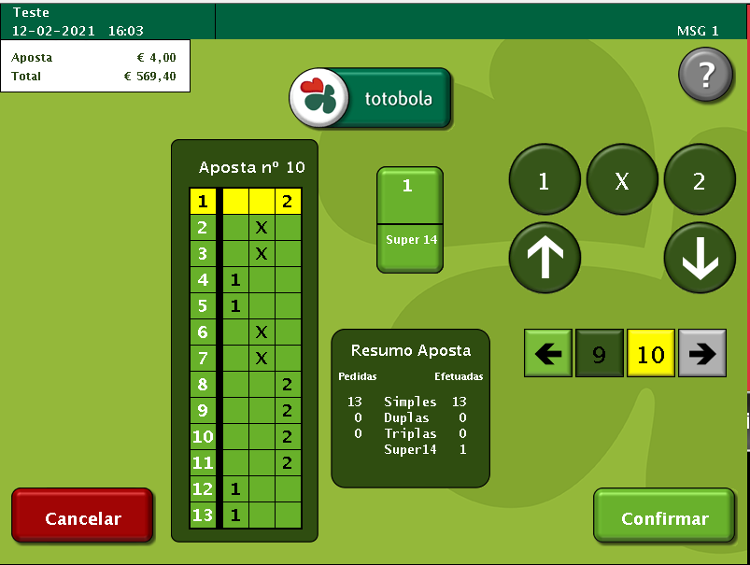
x0200 | Quick Pick Flags By Board. |  |  | 2 bytes |  |  |  |  |  |  |  | Each board made up of 13 1X2's (7bytes). Each 1X2 represented as 4 bits (a nibble). Each of the possible outcomes of a 1X2 is represented as 4 bits in the nibble where: Bit (3) = Away - Value 04 Bit (2) = Tie - Value 02 Bit (1) = Home -Value 01
x0100 | System Number present. |  |  | 2 bytes
x0080 | Participating in Joker 1.
x0040 | Participating in Joker 2.
x0020 | Joker 1 Required.
x0010 | Joker 2 Required.
x0008 | Bank Number present. |  |  | 4 bytes Bank No. + 4 byte Acc. No. |  |  |  |  | n + 2 |  | 1 | Row 1 Bet | Row 2 Bet | 11 | Row 1 Bet=0001 Row 2 Bet=0001 | Row 1 Bet=1 Row 2 Bet=1 | Home Home
x0004 | Serial Number of Associated EM Wager present |  |  | 4 bytes (3 bytes + 1 byte check digits) |  |  |  |  | n + 3 |  | 1 | Row 3 Bet | Row 4 Bet | 11 | Row 3 Bet=0001 Row 4 Bet=0001 | Row 3 Bet=1 Row 4 Bet=1 | Home Home
x0002 | Joker number present |  |  | 4 bytes |  |  |  |  | n + 4 |  | 1 | Row 5 Bet | Row 6 Bet | 11 | Row 5 Bet=0001 Row 6 Bet=0001 | Row 5 Bet=1 Row 6 Bet=1 | Home Home
x0001 | Weighted QP table revision present |  |  | 4 bytes |  |  |  |  | n + 5 |  | 1 | Row 7 Bet | Row 8 Bet | 11 | Row 7 Bet=0001 Row 8 Bet=0001 | Row 7 Bet=1 Row 8 Bet=1 | Home Home
 |  |  |  |  |  |  |  |  | n + 6 |  | 1 | Row 9 Bet | Row 10 Bet | 11 | Row 9 Bet=0001 Row 10 Bet=0001 | Row 9 Bet=1 Row 10 Bet=1 | Home Home
System Type/Passive Bet Type: |  |  |  |  |  |  |  |  | n + 7 |  | 1 | Row 11 Bet | Row 12 Bet | 12 | Row 11 Bet=0001 Row 12 Bet=0010 | Row 11 Bet=1 Row 12 Bet=2 | Home Tie
All games except Passive: |  |  |  |  |  |  |  |  | n + 8 |  | 1 | Row 13 Bet | Not used | 40 | Row 13 Bet=0100 0000 | Row 13 Bet=4 0 | Away
0 = | Simple bet |  |  |  |  |  |  |  |  |  |  | Each board made up of 13 1X2's (7bytes). Each 1X2 represented as 4 bits (a nibble). Each of the possible outcomes of a 1X2 is represented as 4 bits in the nibble where: Bit (3) = Away - Value 04 Bit (2) = Tie - Value 02 Bit (1) = Home -Value 01
1 = | Full system

Passive Games:
1= | Reservation
2= | Sale
3= | Release |  |  |  |  |  |  |  | n + 2 |  | 1 | Row 1 Bet | Row 2 Bet | 12 | Row 1 Bet=0001 Row 2 Bet=0010 | Row 1 Bet=1 Row 2 Bet=2 | Home Tie
 |  |  |  |  |  |  |  |  | n + 3 |  | 1 | Row 3 Bet | Row 4 Bet | 42 | Row 3 Bet=0100 Row 4 Bet=0010 | Row 3 Bet=4 Row 4 Bet=2 | Away Tie
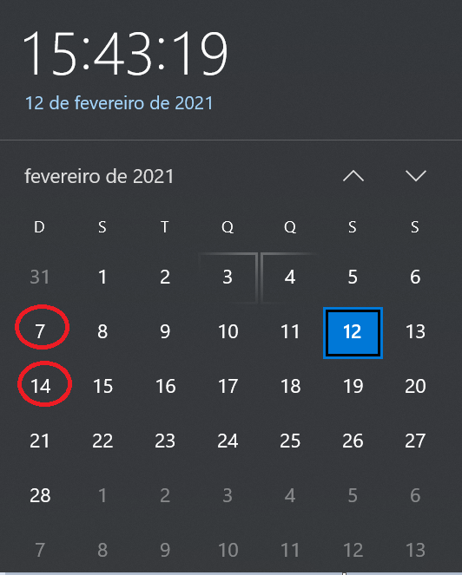
System Number: |  |  |  |  |  |  |  |  | n + 4 |  | 1 | Row 5 Bet | Row 6 Bet | 12 | Row 5 Bet=0001 Row 6 Bet=0010 | Row 5 Bet=1 Row 6 Bet=2 | Home Tie
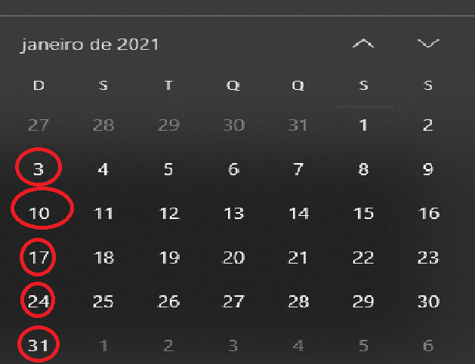
 |  |  |  |  |  |  |  |  | n + 5 |  | 1 | Row 7 Bet | Row 8 Bet | 42 | Row 7 Bet=0100 Row 8 Bet=0010 | Row 7 Bet=4 Row 8 Bet=2 | Away Tie
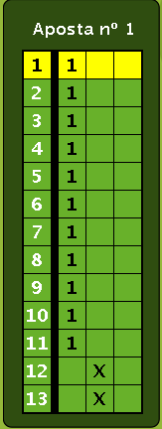
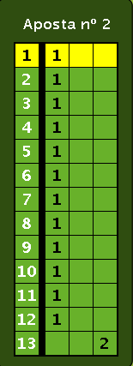
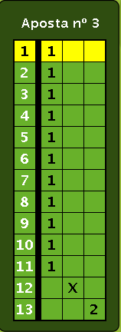
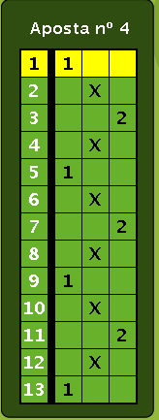
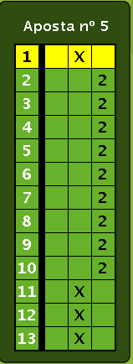
- For Totoloto games system number is system index: |  |  |  |  |  |  |  |  | n + 6 |  | 1 | Row 9 Bet | Row 10 Bet | 12 | Row 9 Bet=0001 Row 10 Bet=0010 | Row 9 Bet=1 Row 10 Bet=2 | Home Tie
 |  |  |  |  |  |  |  |  | n + 7 |  | 1 | Row 11 Bet | Row 12 Bet | 42 | Row 11 Bet=0100 Row 12 Bet=0010 | Row 11 Bet=4 Row 12 Bet=2 | Away Tie
index 1 for 6 numbers |  | index 2 for 7 numbers |  | index 3 for 8 numbers |  |  |  |  | n + 8 |  | 1 | Row 13 Bet | Not used | 10 | Row 13 Bet=0001 0000 | Row 13 Bet=1 0 | Home
index 4 for 9 numbers |  | index 5 for 10 numbers |  | index 6 for 11 numbers |  |  |  |  |  |  |  | Each board made up of 13 1X2's (7bytes). Each 1X2 represented as 4 bits (a nibble). Each of the possible outcomes of a 1X2 is represented as 4 bits in the nibble where: Bit (3) = Away - Value 04 Bit (2) = Tie - Value 02 Bit (1) = Home -Value 01
index 7 for 4 numbers

- For totobola and totogolo games system number is number of combinations.
- For Passive Games:

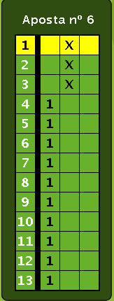
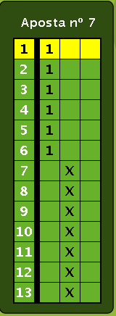
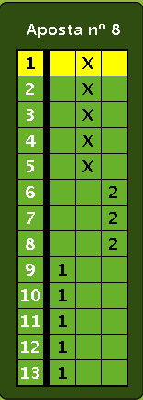
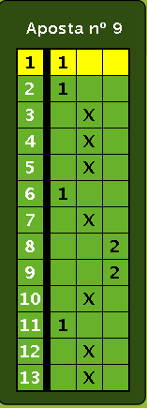
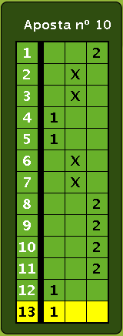
Game Type: | 16 |  |  |  |  |  |  |  | n + 2 |  | 1 | Row 1 Bet | Row 2 Bet | 24 | Row 1 Bet=0010 Row 2 Bet=0100 | Row 1 Bet=2 Row 2 Bet=4 | Home Away
Game Index: | 1 = Classica |  |  |  |  |  |  |  | n + 3 |  | 1 | Row 3 Bet | Row 4 Bet | 44 | Row 3 Bet=0100 Row 4 Bet=0100 | Row 3 Bet=4 Row 4 Bet=4 | Away Away
2 = Popular |  |  |  |  |  |  |  |  | n + 4 |  | 1 | Row 5 Bet | Row 6 Bet | 44 | Row 5 Bet=0100 Row 6 Bet=0100 | Row 5 Bet=4 Row 6 Bet=4 | Away Away
No of Boards: 0 |  |  |  |  |  |  |  |  | n + 5 |  | 1 | Row 7 Bet | Row 8 Bet | 44 | Row 7 Bet=0100 Row 8 Bet=0100 | Row 7 Bet=4 Row 8 Bet=4 | Away Away
Duration: 1 |  |  |  |  |  |  |  |  | n + 6 |  | 1 | Row 9 Bet | Row 10 Bet | 44 | Row 9 Bet=0100 Row 10 Bet=0100 | Row 9 Bet=4 Row 10 Bet=4 | Away Away
 |  |  |  |  |  |  |  |  | n + 7 |  | 1 | Row 11 Bet | Row 12 Bet | 22 | Row 11 Bet=0010 Row 12 Bet=0010 | Row 11 Bet=2 Row 12 Bet=2 | Tie Tie
 |  |  |  |  |  |  |  |  | n + 8 |  | 1 | Row 13 Bet | Not used | 20 | Row 13 Bet=0010 0000 | Row 13 Bet=2 0 | Tie
 |  |  |  |  |  |  |  |  |  |  |  | Each board made up of 13 1X2's (7bytes). Each 1X2 represented as 4 bits (a nibble). Each of the possible outcomes of a 1X2 is represented as 4 bits in the nibble where: Bit (3) = Away - Value 04 Bit (2) = Tie - Value 02 Bit (1) = Home -Value 01
2.2 Wager Header Central -> Terminal

TestByte |  | Size | Field Contents
Start | End |  |  |  | Hexadecimal | Binario | Decimal
1 | 1 | 1 | Control | Sequence | 24 | Control=0010 Sequence=0011 | Control=2 Sequence=3 | Control -> x10 - Application Message Sequence ->3
2 | 2 | 1 | Type = 0 | Subtype = 0 | 00 | Type=0 SubType=0 | Type=0 SubType=0 |  | n + 2 |  | 1 | Row 1 Bet | Row 2 Bet | 22 | Row 1 Bet=0010 Row 2 Bet=0010 | Row 1 Bet=2 Row 2 Bet=2 | Tie Tie
3 | 4 | 2 | Checksum |  | 80 3A |  |  |  | n + 3 |  | 1 | Row 3 Bet | Row 4 Bet | 21 | Row 3 Bet=0010 Row 4 Bet=0001 | Row 3 Bet=2 Row 4 Bet=1 | Tie Home
5 | 5 | 1 | Game Type |  | 02 | 10 | 2 | 2 = SPORTS | n + 4 |  | 1 | Row 5 Bet | Row 6 Bet | 11 | Row 5 Bet=0001 Row 6 Bet=0001 | Row 5 Bet=1 Row 6 Bet=1 | Home Home
6 | 6 | 1 | Game index |  | 01 | 1 | 1 | Totobola Normal | n + 5 |  | 1 | Row 7 Bet | Row 8 Bet | 11 | Row 7 Bet=0001 Row 8 Bet=0001 | Row 7 Bet=1 Row 8 Bet=1 | Home Home
7 | 9 | 3 | Wager Serial Number |  | CC 72 EB |  | 10187372 | 8 digitos | n + 6 |  | 1 | Row 9 Bet | Row 10 Bet | 11 | Row 9 Bet=0001 Row 10 Bet=0001 | Row 9 Bet=1 Row 10 Bet=1 | Home Home
10 | 10 | 1 | Wager Check Digits |  | 76 |  | 140 | 3 digitos | n + 7 |  | 1 | Row 11 Bet | Row 12 Bet | 11 | Row 11 Bet=0001 Row 12 Bet=0001 | Row 11 Bet=1 Row 12 Bet=1 | Home Home
11 | 12 | 2 | Offset to First CDC Date |  | 00 02 |  | 2 | dias que faltam para o draw | n + 8 |  | 1 | Row 13 Bet | Not used | 10 | Row 13 Bet=0001 0000 | Row 13 Bet=1 0 | Home
13 | 14 | 2 | Offset to Second CDC Date |  | 00 02 |  | 2 | dias que faltam para o draw |  |  |  | Each board made up of 13 1X2's (7bytes). Each 1X2 represented as 4 bits (a nibble). Each of the possible outcomes of a 1X2 is represented as 4 bits in the nibble where: Bit (3) = Away - Value 04 Bit (2) = Tie - Value 02 Bit (1) = Home -Value 01
15 | 15 | 1 | First Week Draw Date |  | 07 |  | 7 | é o 7º sorteio deste ano
16 | 16 | 1 | First Year Draw Date |  | 15 |  | 21 | é o ano 2021
17 | 17 | 1 | Second Week Draw Date |  | 07 |  | 7 | é o 7º sorteio deste ano
18 | 18 | 1 | Second Year Draw Date |  | 15 |  | 21 | é o ano 2021
19 | 21 | 3 | Time (hh:mm:ss) |  | 10 06 10 |  | 16:06:16
22 | 22 | 1 | Option Flags (see below) |  | 00 |  |  |  | n + 2 |  | 1 | Row 1 Bet | Row 2 Bet | 11 | Row 1 Bet=0001 Row 2 Bet=0001 | Row 1 Bet=1 Row 2 Bet=1 | Home Home
23 | 23+n-1 | n | Option Data (see below) |  |  |  |  |  | n + 3 |  | 1 | Row 3 Bet | Row 4 Bet | 11 | Row 3 Bet=0001 Row 4 Bet=0001 | Row 3 Bet=1 Row 4 Bet=1 | Home Home
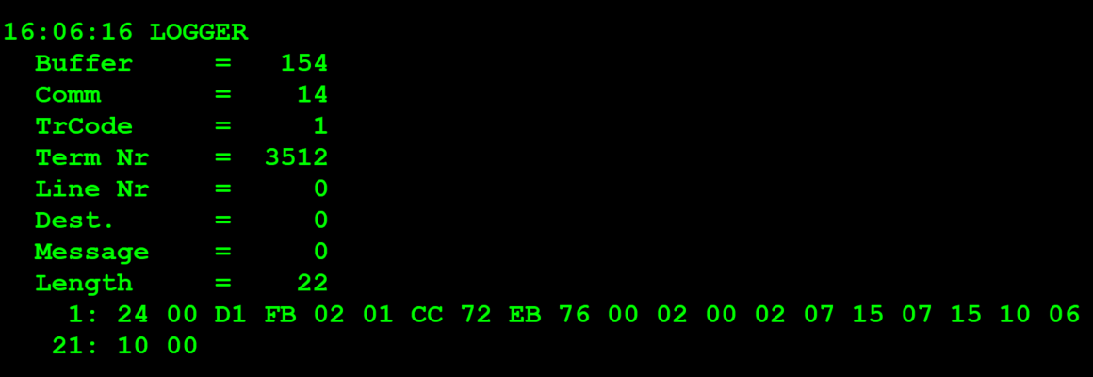
 |  |  |  |  |  |  |  |  | n + 4 |  | 1 | Row 5 Bet | Row 6 Bet | 11 | Row 5 Bet=0001 Row 6 Bet=0001 | Row 5 Bet=1 Row 6 Bet=1 | Home Home
 |  |  |  |  |  |  |  |  | n + 5 |  | 1 | Row 7 Bet | Row 8 Bet | 22 | Row 7 Bet=0010 Row 8 Bet=0010 | Row 7 Bet=2 Row 8 Bet=2 | Tie Tie
 |  |  |  |  |  |  |  |  | n + 6 |  | 1 | Row 9 Bet | Row 10 Bet | 22 | Row 9 Bet=0010 Row 10 Bet=0010 | Row 9 Bet=2 Row 10 Bet=2 | Tie Tie
 |  |  |  |  |  |  |  |  | n + 7 |  | 1 | Row 11 Bet | Row 12 Bet | 22 | Row 11 Bet=0010 Row 12 Bet=0010 | Row 11 Bet=2 Row 12 Bet=2 | Tie Tie
 |  |  |  |  |  |  |  |  | n + 8 |  | 1 | Row 13 Bet | Not used | 20 | Row 13 Bet=0010 0000 | Row 13 Bet=2 0 | Tie
 |  |  |  |  |  |  |  |  |  |  |  | Each board made up of 13 1X2's (7bytes). Each 1X2 represented as 4 bits (a nibble). Each of the possible outcomes of a 1X2 is represented as 4 bits in the nibble where: Bit (3) = Away - Value 04 Bit (2) = Tie - Value 02 Bit (1) = Home -Value 01

 |  |  |  |  |  |  |  |  | n + 2 |  | 1 | Row 1 Bet | Row 2 Bet | 22 | Row 1 Bet=0010 Row 2 Bet=0010 | Row 1 Bet=2 Row 2 Bet=2 | Tie Tie
 |  |  |  |  |  |  |  |  | n + 3 |  | 1 | Row 3 Bet | Row 4 Bet | 22 | Row 3 Bet=0010 Row 4 Bet=0010 | Row 3 Bet=2 Row 4 Bet=2 | Tie Tie
 |  |  |  |  |  |  |  |  | n + 4 |  | 1 | Row 5 Bet | Row 6 Bet | 24 | Row 5 Bet=0010 Row 6 Bet=0100 | Row 5 Bet=2 Row 6 Bet=4 | Tie Away
 |  |  |  |  |  |  |  |  | n + 5 |  | 1 | Row 7 Bet | Row 8 Bet | 44 | Row 7 Bet=0100 Row 8 Bet=0100 | Row 7 Bet=4 Row 8 Bet=4 | Away Away
 |  |  |  |  |  |  |  |  | n + 6 |  | 1 | Row 9 Bet | Row 10 Bet | 11 | Row 9 Bet=0001 Row 10 Bet=0001 | Row 9 Bet=1 Row 10 Bet=1 | Home Home
 |  |  |  |  |  |  |  |  | n + 7 |  | 1 | Row 11 Bet | Row 12 Bet | 11 | Row 11 Bet=0001 Row 12 Bet=0001 | Row 11 Bet=1 Row 12 Bet=1 | Home Home
 |  |  |  |  |  |  |  |  | n + 8 |  | 1 | Row 13 Bet | Not used | 10 | Row 13 Bet=0001 0000 | Row 13 Bet=1 0 | Home
 |  |  |  |  |  |  |  |  |  |  |  | Each board made up of 13 1X2's (7bytes). Each 1X2 represented as 4 bits (a nibble). Each of the possible outcomes of a 1X2 is represented as 4 bits in the nibble where: Bit (3) = Away - Value 04 Bit (2) = Tie - Value 02 Bit (1) = Home -Value 01

 |  |  |  |  |  |  |  |  | n + 2 |  | 1 | Row 1 Bet | Row 2 Bet | 11 | Row 1 Bet=0001 Row 2 Bet=0001 | Row 1 Bet=1 Row 2 Bet=1 | Home Home
 |  |  |  |  |  |  |  |  | n + 3 |  | 1 | Row 3 Bet | Row 4 Bet | 22 | Row 3 Bet=0010 Row 4 Bet=0010 | Row 3 Bet=2 Row 4 Bet=2 | Tie Tie
 |  |  |  |  |  |  |  |  | n + 4 |  | 1 | Row 5 Bet | Row 6 Bet | 21 | Row 5 Bet=0010 Row 6 Bet=0100 | Row 5 Bet=2 Row 6 Bet=4 | Tie Away
 |  |  |  |  |  |  |  |  | n + 5 |  | 1 | Row 7 Bet | Row 8 Bet | 24 | Row 7 Bet=0010 Row 8 Bet=0100 | Row 7 Bet=2 Row 8 Bet=4 | Tie Away
 |  |  |  |  |  |  |  |  | n + 6 |  | 1 | Row 9 Bet | Row 10 Bet | 42 | Row 9 Bet=0100 Row 10 Bet=0010 | Row 9 Bet=4 Row 10 Bet=2 | Away Tie
 |  |  |  |  |  |  |  |  | n + 7 |  | 1 | Row 11 Bet | Row 12 Bet | 12 | Row 11 Bet=0001 Row 12 Bet=0010 | Row 11 Bet=1 Row 12 Bet=2 | Home Tie
 |  |  |  |  |  |  |  |  | n + 8 |  | 1 | Row 13 Bet | Not used | 20 | Row 13 Bet=0010 0000 | Row 13 Bet=2 0 | Tie
 |  |  |  |  |  |  |  |  |  |  |  | Each board made up of 13 1X2's (7bytes). Each 1X2 represented as 4 bits (a nibble). Each of the possible outcomes of a 1X2 is represented as 4 bits in the nibble where: Bit (3) = Away - Value 04 Bit (2) = Tie - Value 02 Bit (1) = Home -Value 01

 |  |  |  |  |  |  |  |  | n + 2 |  | 1 | Row 1 Bet | Row 2 Bet | 42 | Row 1 Bet=0100 Row 2 Bet=0010 | Row 1 Bet=4 Row 2 Bet=2 | Away Tie
 |  |  |  |  |  |  |  |  | n + 3 |  | 1 | Row 3 Bet | Row 4 Bet | 21 | Row 3 Bet=0010 Row 4 Bet=0001 | Row 3 Bet=2 Row 4 Bet=1 | Tie Home
 |  |  |  |  |  |  |  |  | n + 4 |  | 1 | Row 5 Bet | Row 6 Bet | 12 | Row 5 Bet=0001 Row 6 Bet=0010 | Row 5 Bet=1 Row 6 Bet=2 | Home Tie
 |  |  |  |  |  |  |  |  | n + 5 |  | 1 | Row 7 Bet | Row 8 Bet | 24 | Row 7 Bet=0010 Row 8 Bet=0100 | Row 7 Bet=2 Row 8 Bet=4 | Tie Away
 |  |  |  |  |  |  |  |  | n + 6 |  | 1 | Row 9 Bet | Row 10 Bet | 44 | Row 9 Bet=0100 Row 10 Bet=0100 | Row 9 Bet=4 Row 10 Bet=4 | Away Away
 |  |  |  |  |  |  |  |  | n + 7 |  | 1 | Row 11 Bet | Row 12 Bet | 41 | Row 11 Bet=0100 Row 12 Bet=0001 | Row 11 Bet=4 Row 12 Bet=1 | Away Home
 |  |  |  |  |  |  |  |  | n + 8 |  | 1 | Row 13 Bet | Not used | 10 | Row 13 Bet=0001 0000 | Row 13 Bet=1 0 | Home
 |  |  |  |  |  |  |  |  |  |  |  | Each board made up of 13 1X2's (7bytes). Each 1X2 represented as 4 bits (a nibble). Each of the possible outcomes of a 1X2 is represented as 4 bits in the nibble where: Bit (3) = Away - Value 04 Bit (2) = Tie - Value 02 Bit (1) = Home -Value 01

